Question 2-3
Question 2
A web-based application is having Two Factor Authentication system implemented. Authentication is taken care by Email, Call, SMS or One Touch features. End user can select any. There is an option to skip the validation by enabling bypass validation
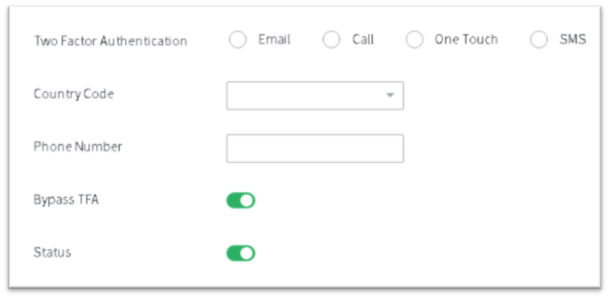 Write test scenario for: - (1) OTP (SMS) authentication. OTP has expiry limit for 30 seconds. (2) There are maximum 3 attempts to send OTP.

sl no | Test Scenario
1 | Verify user is able to select SMS radio button
2 | Verify user is able select Country Code and able to enter phone number
3 | User should be able to enter all the valid data and clicks on Authenticate, OTP should be genterated.
4 | User should be able to enter valida data in the First attempt and verify OTP has expiry limit of 30 seconds
5 | User selects invalid Country code and clicks on SMS Authenticate . Check the validation
6 | User enters invalid Phone Number and clicks on SMS Authenticate. Check the validation
7 | Users selects valid Country code and Invalid Phone numbers clicks on SMS Authenticate. Check validation
8 | Verify OTP should be generated within time period for First attempt
9 | Verify OTP is received only on registered Mobile Number for First attempt
10 | Verify that once used OTP should not be allowed to use again for First attempt
11 | Verify user is able to send OTP on the second attempt and sucuessfully able to authenticate
12 | User enters invalid Phone Number on second attempt and clicks on SMS Authenticate. Check the validation
13 | Users selects valid Country code and Invalid Phone number on second attempt. clicks on SMS Authenticate. Check validation
14 | User enters valid data on second attempt check on expiry of 30 seconds.
15 | Verify user is able to send OTP on the Third attempt and sucuessfully able to authenticate
16 | User enters invalid Phone Number on Thirdattempt and clicks on SMS Authenticate. Check the validation
17 | Users selects valid Country code and Invalid Phone number on Third attempt. clicks on SMS Authenticate. Check validation
18 | User enters valid data on Third attempt check on expiry of 30 seconds.
19 | User tries to enter data on fourth attempt. Check validation required error message should be popped up.
20 | User enters valid data on third attempt then clicks on Bypass. User should be able to bypass.

Question 3
Write test scenarios for file attachment feature in an Email application (e.g. Gmail).

sl no | Test Scenario
1 | verify that user is able to navigate to navigate to the required page and clicks on Upload button. file upload window should opened.
2 | Verify that user is able sucessfully upload the the file.
3 | Verify that after clicking on Upload button file selection window should open.
4 | Verify that user selects file for upload and in between uploading process cancels that task, After clicking on cancel no file part should be uploaded
5 | Verify that user in between uploading process clicks on upload button again.
6 | Verify that user is able to select multiple files for upload.
7 | Verify that user selects 4-5 files to upload and then dring the process he removes 2 files and tries to upload only 3 files. Only 3 files should be uploaded.
8 | Verify that check for uploading a file within maximum kb or mb.
9 | Verify that check for uploading a file equal to maximum kb or mb.
10 | Verify that check for uploading a file greater than maximum kb or mb.
11 | Verify that check for uploading a file lesser than minimum kb or mb.
12 | Verify user uploads blank file.
13 | Verify that user starts uploading the file and disconnect network during the process.
14 | verify user is able to use drag and drop option.
15 | Verify user is displayed with the proper error message when the file size is less or more.
16 | Verify user uploads file 1 then clicks on cancel and uploads file 2 . 2nd file should be uploaded sucessfully
17 | verify that user is redirected to the required page after sucessful upload.
18 | verify that user enters data clicks on upload and clicks on cancel. The entered data should not be displayed.

